Bug_Report
QA |  |  |  |  |  |  |  |  |  | DEV
Defect ID | Defect Description | Steps | Priority | Seviority | Build No | Test Case ID | Reported Date | Screen Shot | Submitted By | Resolution Types | Status | Fixed By | Fixed DATE
BR_MyInfo_001 | After Successful login, ESS User land on "Dashboard" page, not in "Personal Detail". | 1) Lauch the browser 2) Open the application url (https://opensource-demo.orangehrmlive.com/index.php/auth/login) 3) Enter the username 4) Enter the password 5) Click on login button | P1 | Low | 1 | TC_MyInfo_001 | 27th Aug, 2020 | 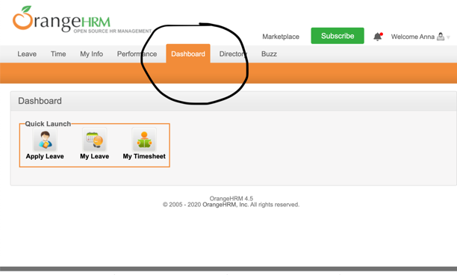 | Bijaya
BR_MyInfo_002 | 1) Document suggest the valid file format upto 1 MB could be uploaded. But none of the valid format of 1 MB could be uploaded. | 1) Login to the OrangeHRM as ESS User 2) Click on myinfo tab 3) Click on the "photograph" at the corner of the screen and the screen wil appear. 3) Click "Browse" and select a photo from relevant path 4) Click "Upload" once the photo is selected | P2 | Medium | 1 | TC_MyInfo_011 | 27th Aug, 2020 | 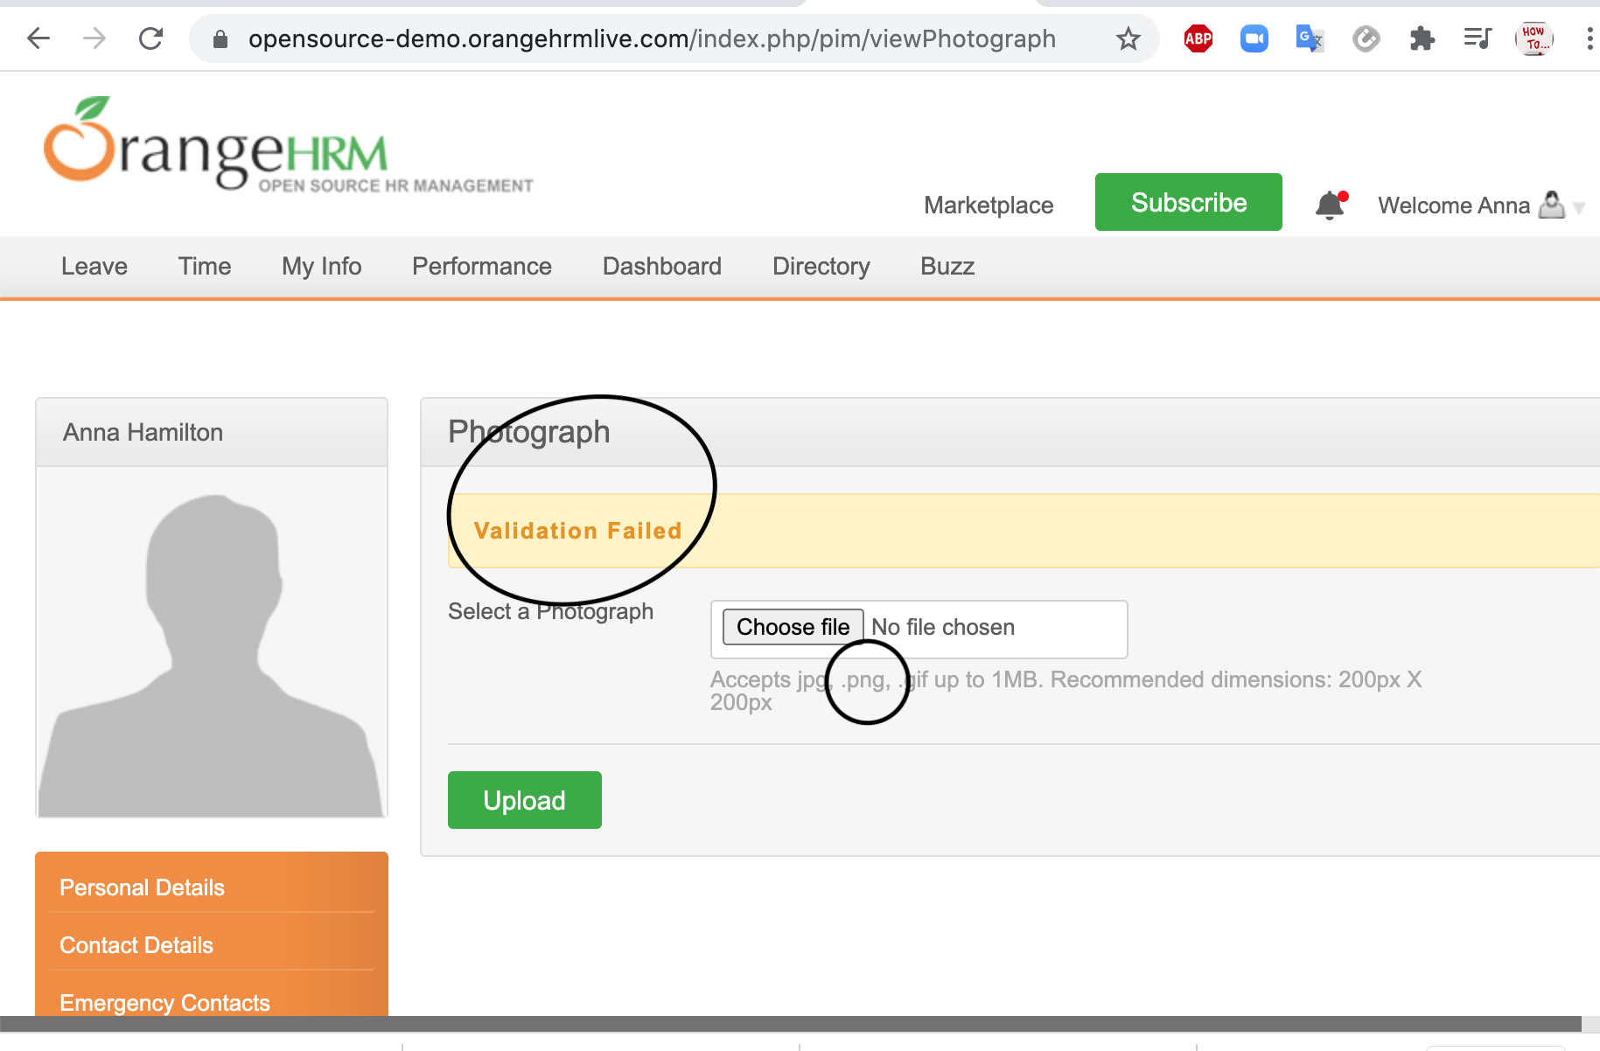 | Bijaya
BR_MyInfo_003 | 1) Document explains the attachment of any file formats but does not clarify the limit of size of the file. 2) There is a note in the system (not in the document) under "Choose File" button which clarifies that file upto 1 MB size are only uploadable. Pdf document of 1 MB could be uploaded but docx file of same size could not be uploaded. | 1) Login to OrangeHRM as ESS User 2) Click on myinfo tab 3) Select "Emergency Contact". 4) Click "Add" under "Attachment" and select a file from relevant file path and upload it by clicking the button "Upload". | P2 | Medium | 1 | TC_MyInfo_017 | 27th Aug, 2020 | 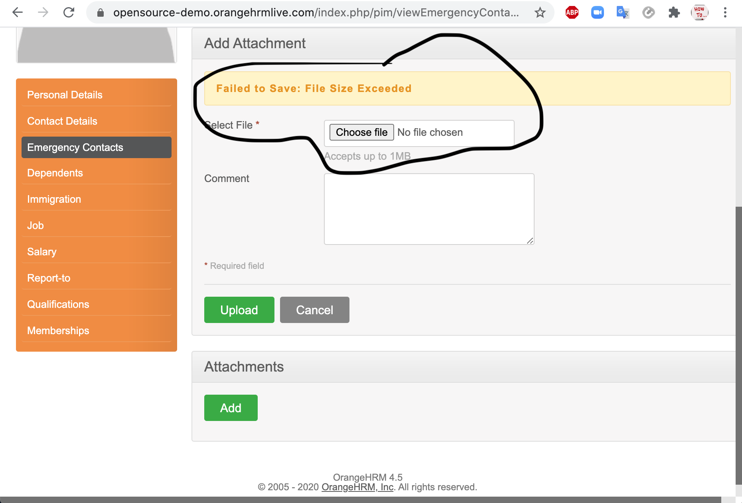 | Bijaya
BR_MyInfo_004 | 1) Document explains the attachment of any file formats but does not clarify the size limit of the file. 2) There is a note in the system under "Choose File" button which clarifies that file upto 1 MB size are only uploadable. Pdf document of 1 MB could be uploaded but docx file of same size could not be uploaded. | 1) Login to OrangeHRM as ESS User. 2) Click on myinfo tab. 3) Click on "Dependents". 4) Click “Add” under the “Attachment” and select a file from a relevant path and upload the following file by clicking “Upload”. | P2 | Medium | 1 | TC_MyInfo_021 | 27th Aug, 2020 | 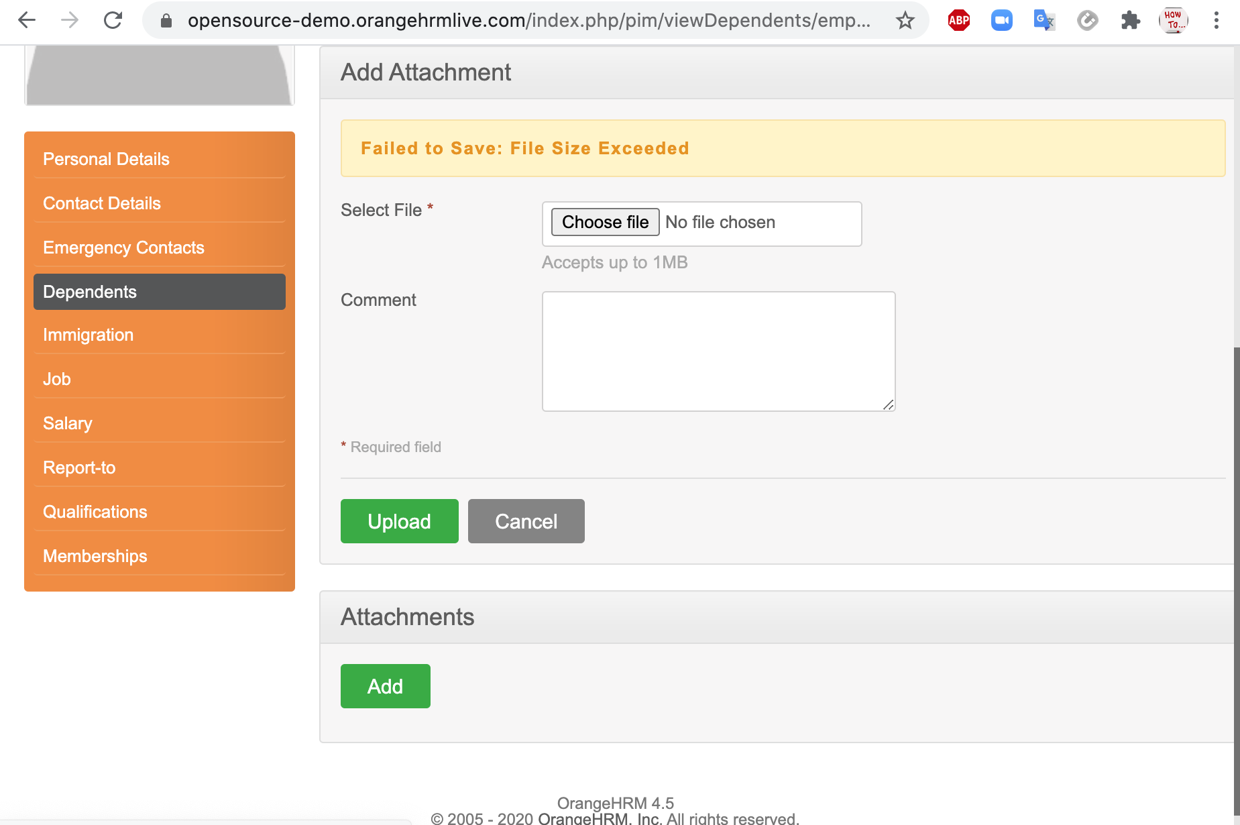 | Bijaya
BR_MyInfo_005 | 1) Document explains the attachment of any file formats but does not clarify the size limit of the file. 2) There is a note in the system under "Choose File" button which clarifies that file upto 1 MB size are only uploadable. Pdf document of 1 MB could be uploaded but docx file of same size could not be uploaded. | 1) Login to OrangeHRM as ESS User. 2)Click on myinfo tab. 3) Select "Immigration". 4) Click on "Add" under "Attachments" of assigned immigration information, select a file from relevant path and click "Upload". | P2 | Medium | 1 | TC_MyInfo_025 | 27th Aug, 2020 | 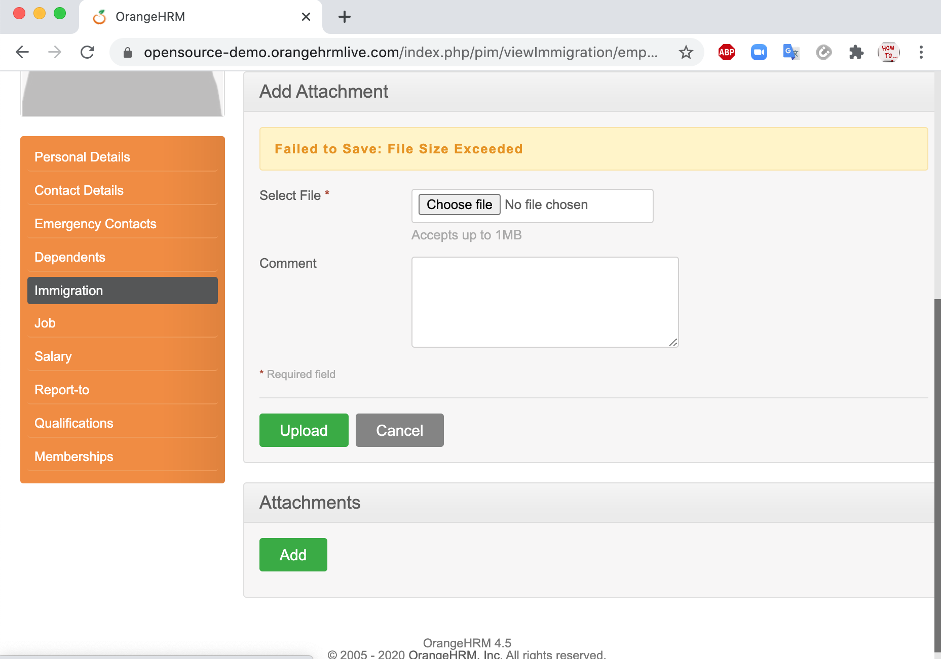 | Bijaya
BR_MyInfo_006 | While "Selecting" the level of education, only one level is available in the option. Which does not allowed to add other education level and adversely cause a functional defect. | 1) Login to OrangeHRM as ESS User. 2) Click on myinfo tab. 3) Select "Qualifications". 4) Click on "Add" button of "Education" table. 5) Fill the field and click the "Save" button after the completion of the form | P2 | Medium | 1 | TC_MyInfo_035 | 27th Aug, 2020 | 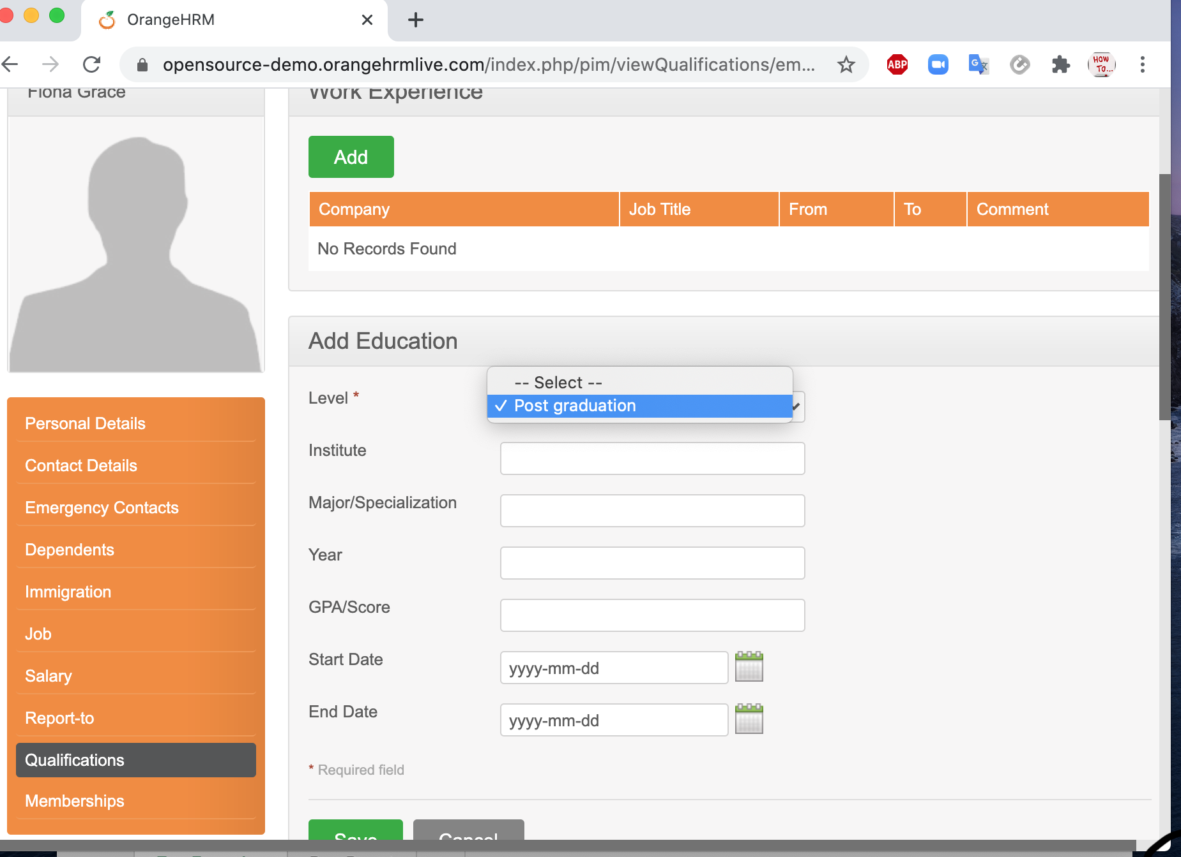 | Bijaya
BR_MyInfo_007 | While "Selecting" the type of skill, only one skill "Guidewire" is available in the option. Which does not allowed to add other skill | 1) Login to OrangeHRM as ESS User. 2) Click on myinfo tab. 3) Select "Qualifications". 4) Click on "Add" button of "Skills" table. 5) Fill the field and click the "Save" button after the completion of the form | P2 | Medium | 1 | TC_MyInfo_037 | 27th Aug, 2020 | 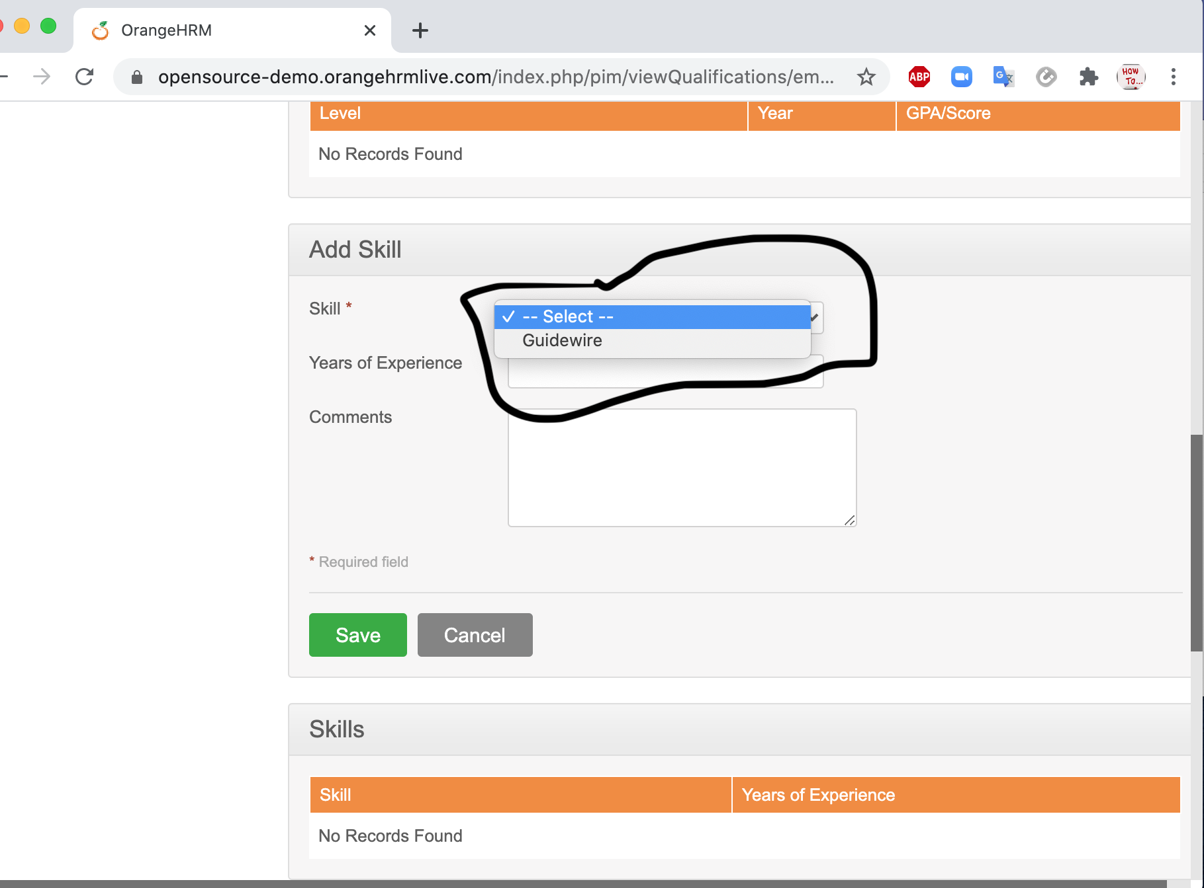 | Bijaya
BR_MyInfo_008 | While "Selecting" the type of skill, only one skill "Guidewire" is available in the option. Which does not allowed to add other skill. | 1) Login to OrangeHRM as ESS User. 2) Click on myinfo tab. 3) Select "Qualifications". 4) Click on "Add" button of "Skills" table. 5) Fill the field and click the "Save" button after the completion of the form | P2 | Medium | 1 | TC_MyInfo_038 | 27th Aug, 2020 |  | Bijaya
BR_MyInfo_009 | The drop down option of "Language" does not have any data on it. | 1) Login to OrangeHRM as ESS User. 2) Click on myinfo tab. 3) Select "Qualifications". 4) Click on "Add" button of "Languages" table. 5) Fill the field and click the "Save" button after the completion of the form | P2 | Medium | 1 | TC_MyInfo_040 | 27th Aug, 2020 | 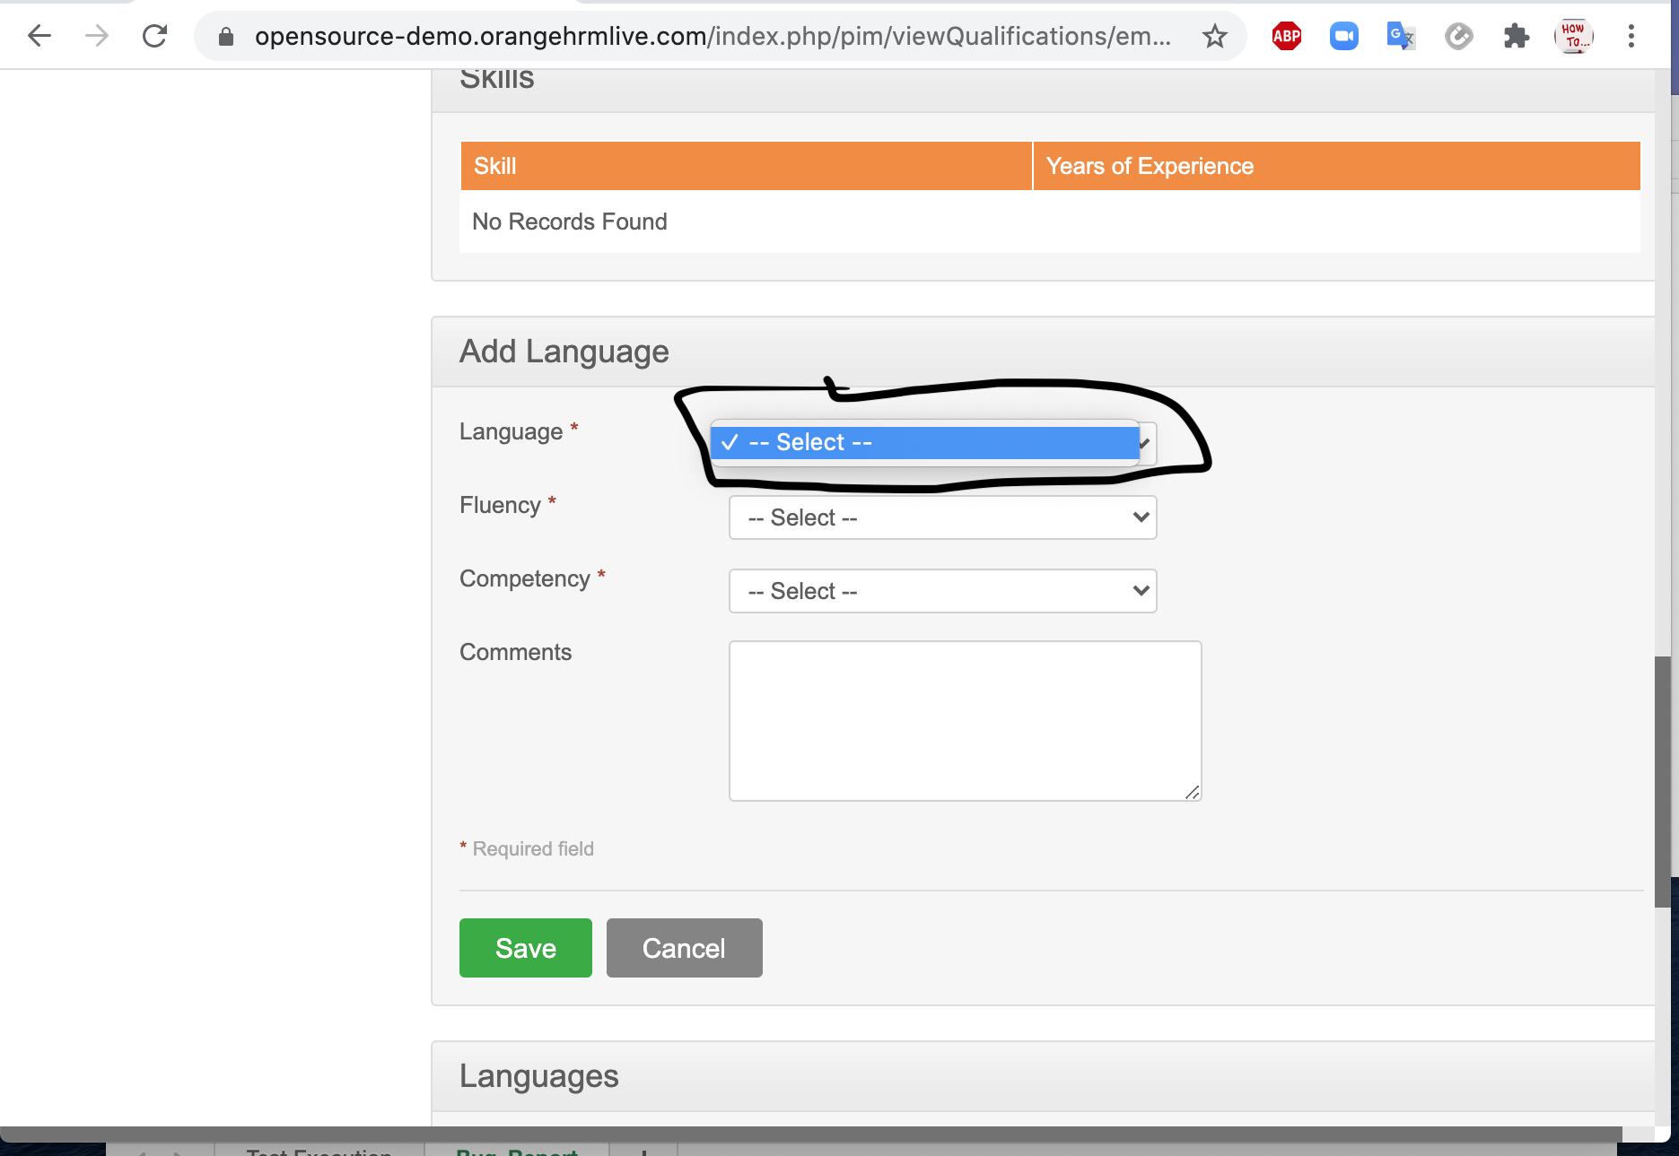 | Bijaya
BR_MyInfo_010 | The drop down option of "Language" does not have any data on it. | 1) Login to OrangeHRM as ESS User. 2) Click on myinfo tab. 3) Select "Qualifications". 4) Click on "Add" button of "Languages" table. 5) Fill the field and click the "Save" button after the completion of the form | P2 | Medium | 1 | TC_MyInfo_041 | 27th Aug, 2020 |  | Bijaya
BR_MyInfo_011 | Functional dependecy occurs. Since, we cannot add any data, we could not perform validation of function. | 1) Login to OrangeHTM as ESS User. 2) Click on myinfo tab. 3) Click on "Qualifications". 4) Click on check box next to particular entry that has to be deleted in "Languages" table. 5) Multiple entries could be selected. 6) Click the "Delete" button. | P2 | Medium | 1 | TC_MyInfo_042 | 27th Aug, 2020 | 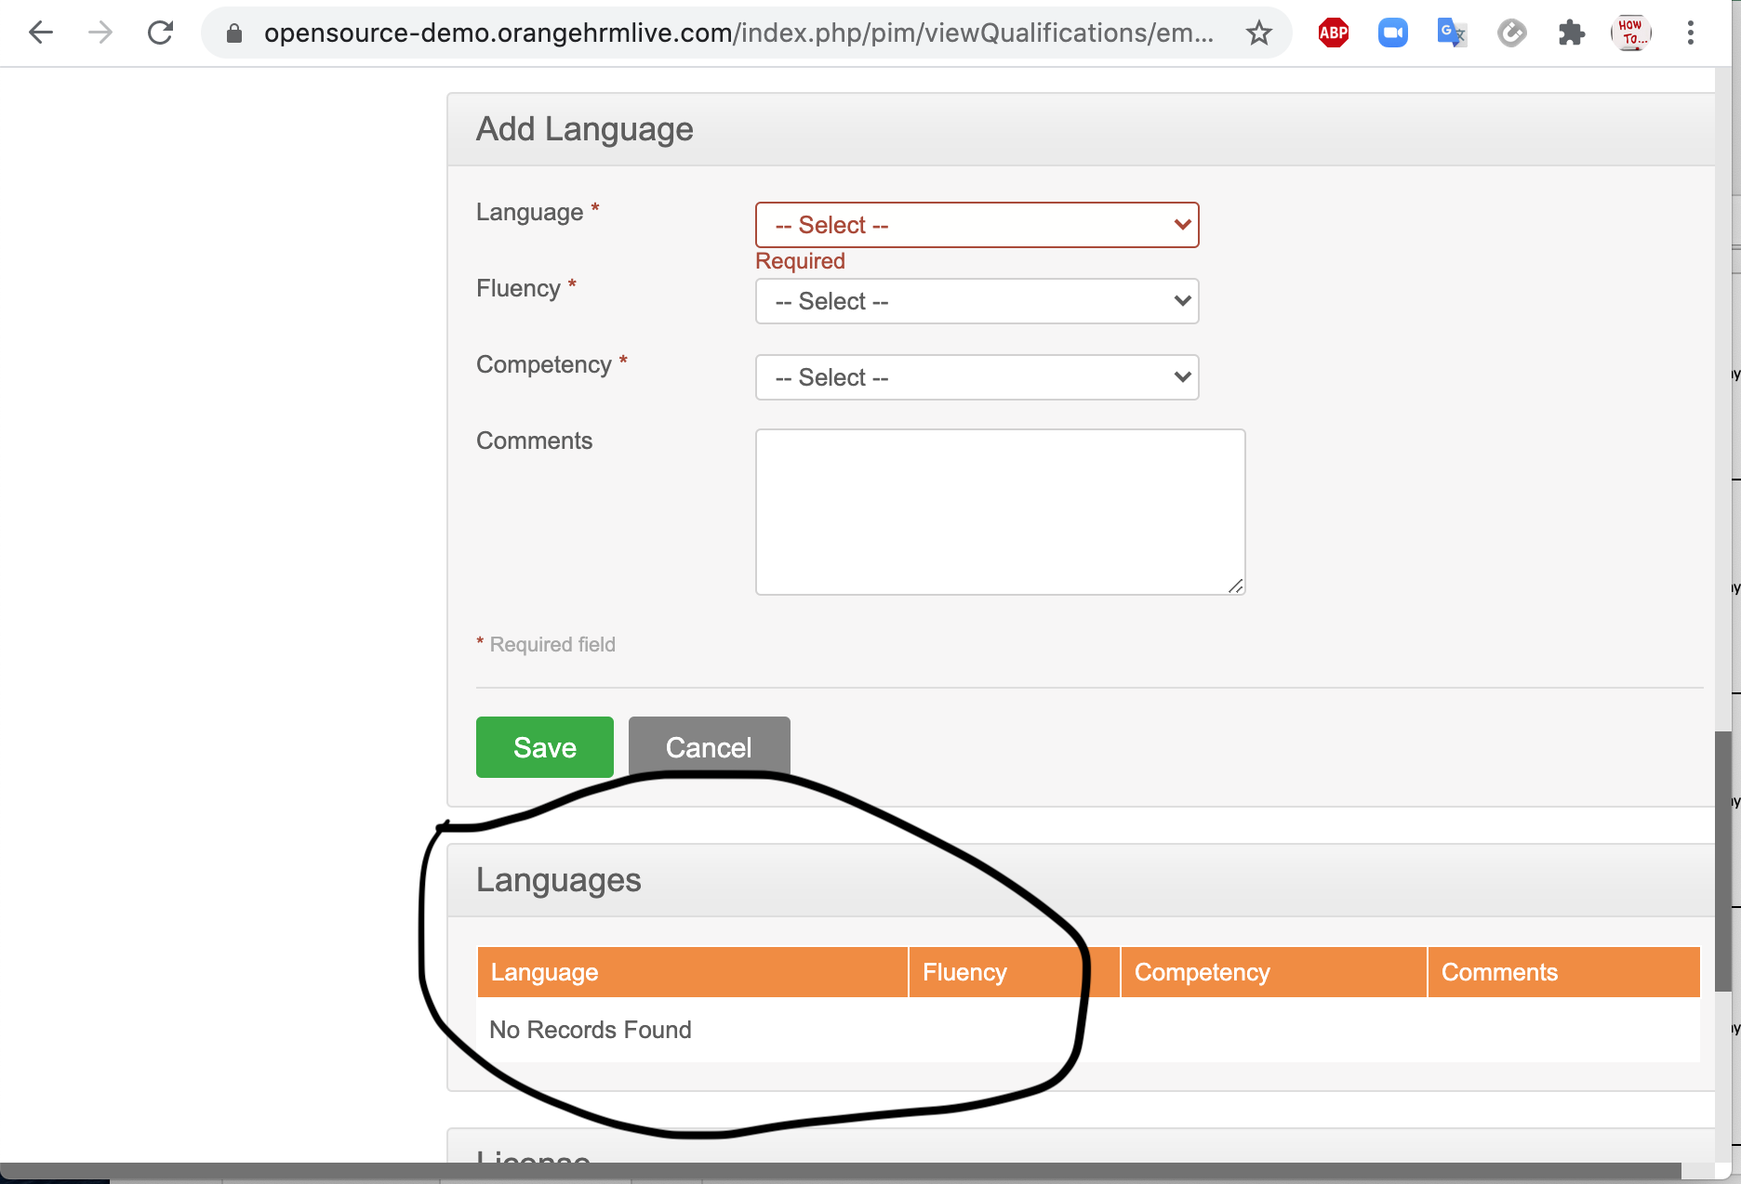 | Bijaya
BR_MyInfo_012 | "Licenses" field have only one option in the drop-down list. | 1) Login to OrangeHRM as ESS User. 2) Click on myinfo tab. 3) Select "Qualifications". 4) Click on "Add" button of "License" table. 5) Fill the field and click the "Save" button after the completion of the form | P2 | Medium | 1 | TC_MyInfo_043 | 27th Aug, 2020 | 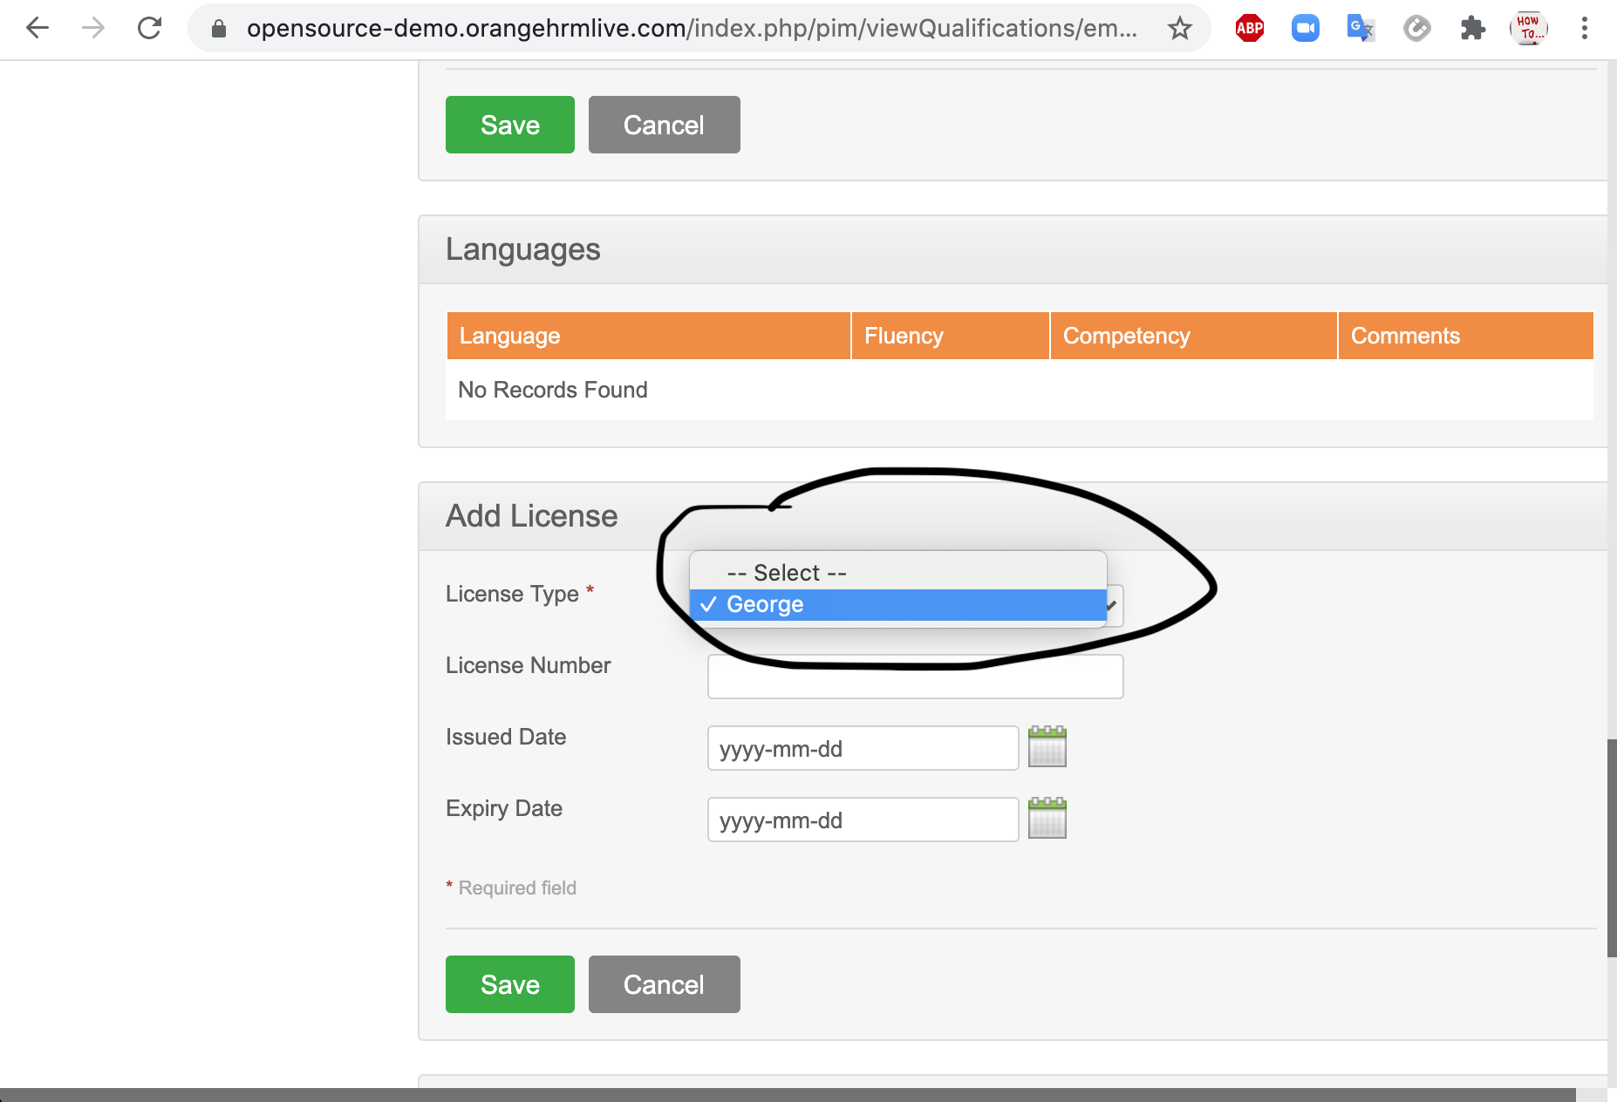 | Bijaya
BR_MyInfo_013 | While "Selecting" the type of licenses, only one level is available in the option. There is no option for the second entry for the "type of licenses". | 1) Login to OrangeHRM as ESS User. 2) Click on myinfo tab. 3) Select "Qualifications". 4) Click on "Add" button of "License" table. 5) Fill the field and click the "Save" button after the completion of the form | P2 | Medium | 1 | TC_MyInfo_044 | 27th Aug, 2020 | 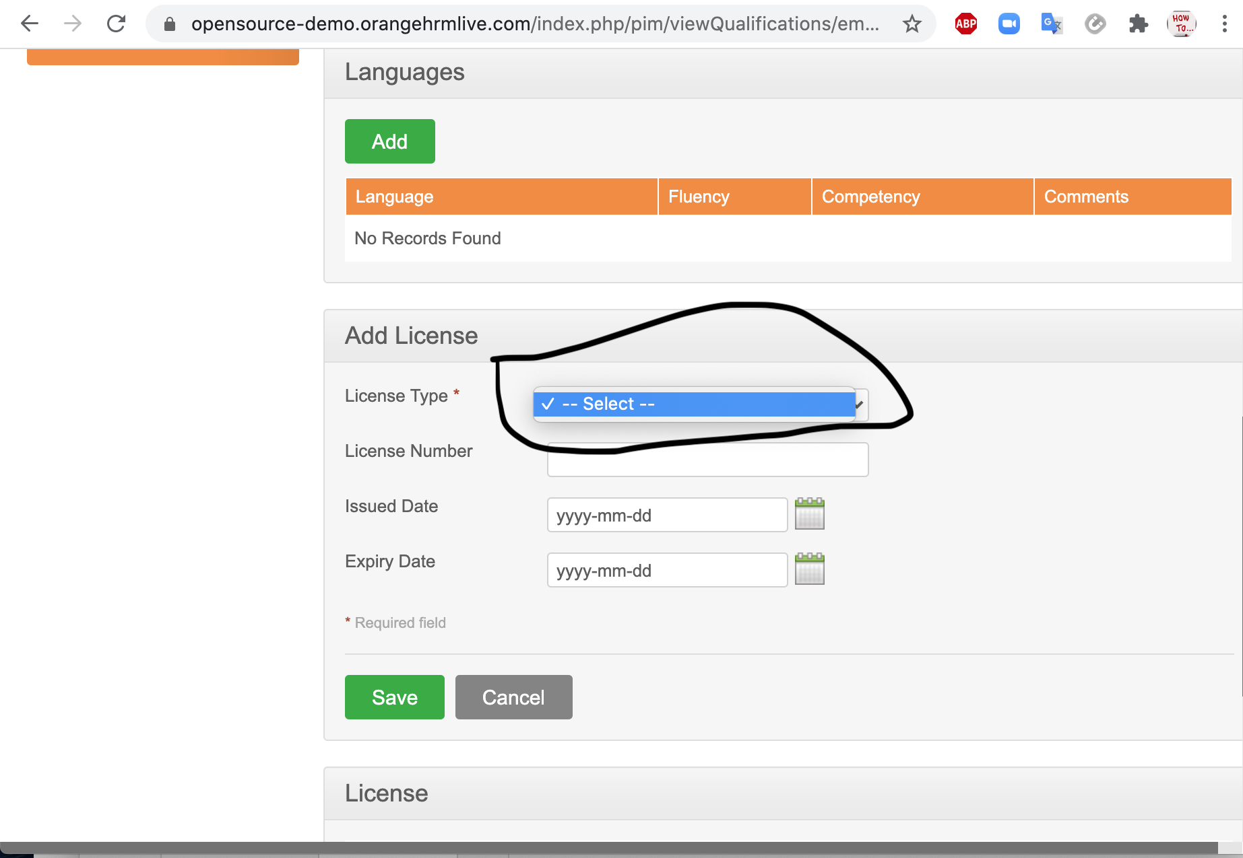 | Bijaya
BR_MyInfo_014 | Single file was successfully deleted, but the operation for multiple file could not be carrried out as the operation is functionally dependent upon TC_MyInfo_044. | 1) Login to OrangeHTM as ESS User. 2) Click on myinfo tab. 3) Click on "Qualifications". 4) Click on check box next to particular entry that has to be deleted in "License" table. 5) Multiple entries could be selected. 6) Click the "Delete" button. | P2 | Medium | 1 | TC_MyInfo_045 | 27th Aug, 2020 | 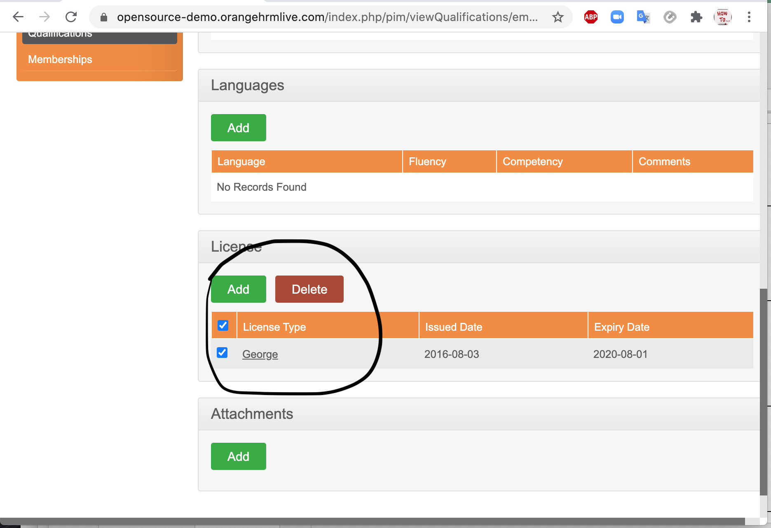 | Bijaya
BR_MyInfo_015 | 1) Document explains the attachment of any file formats but does not clarify the size limit of the file. 2) There is a note in the system under "Choose File" button which clarifies that file upto 1 MB size are only uploadable. File under 1 MB are uploadable, but file such as (pdf, docx) of exactly 1 MB are not uploadable. | 1)Login to OrangeHRM as ESS User. 2) Click on myinfo tab. 3) Click on "Qualifications". 4) Click on "Add" button under attachment. 5) Click “Browse” and select the file from the relevant path and click “Upload” to upload it. | P2 | Medium | 1 | TC_MyInfo_046 | 27th Aug, 2020 | 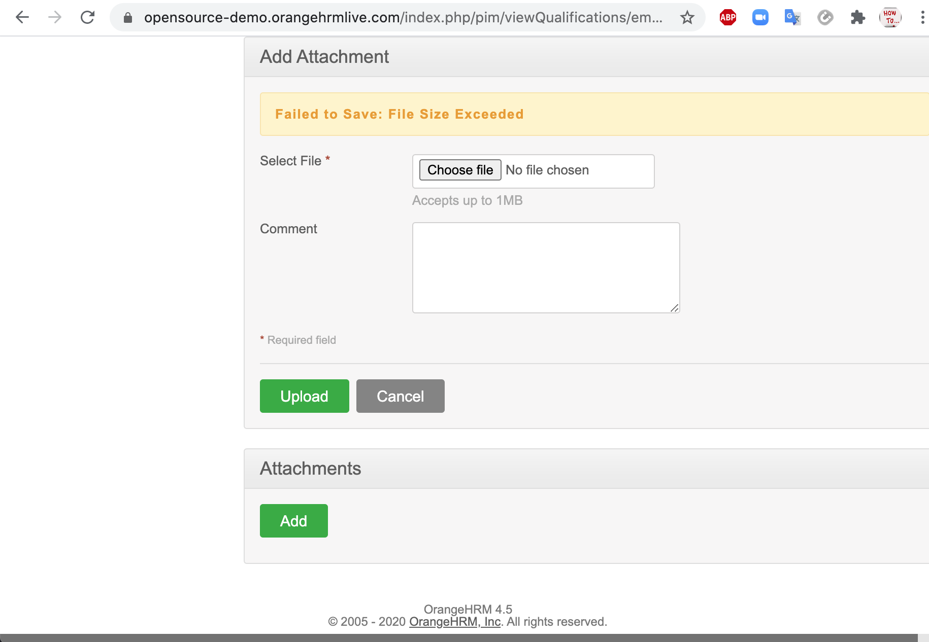 | Bijaya
BR_MyInfo_016 | 1) Document explains the attachment of any file formats but does not clarify the size limit of the file. 2) There is a note in the system under "Choose File" button which clarifies that file upto 1 MB size are only uploadable. File under 1 MB are uploadable, but file such as (pdf, docx) of exactly 1 MB are not uploadable. | 1)Login to OrangeHRM as ESS User. 2) Click on myinfo tab. 3) Click on "Qualifications". 4) Click on "Add" button under attachment. 5) Click “Browse” and select the file from the relevant path and click “Upload” to upload it. | P2 | Medium | 1 | TC_MyInfo_047 | 27th Aug, 2020 |  | Bijaya
BR_MyInfo_017 | 1) "Membership" field cannot be empty. The system provides a empty list of membership so user could not choose any of it and submit the form. 2) There is a note in the system under "Choose File" button which clarifies that file upto 1 MB size are only uploadable. File under 1 MB are uploadable, but file such as (pdf, docx) of exactly 1 MB are not uploadable. | 1) Login to OrangeHRM as ESS User. 2) Click on myinfo tab. 3) Select "Membership". 4) Click on "Add" button of "Assigned Membership" table. 5) Fill the field and click the "Save" button after the completion of the form | P2 | Medium | 1 | TC_MyInfo_049 | 27th Aug, 2020 | 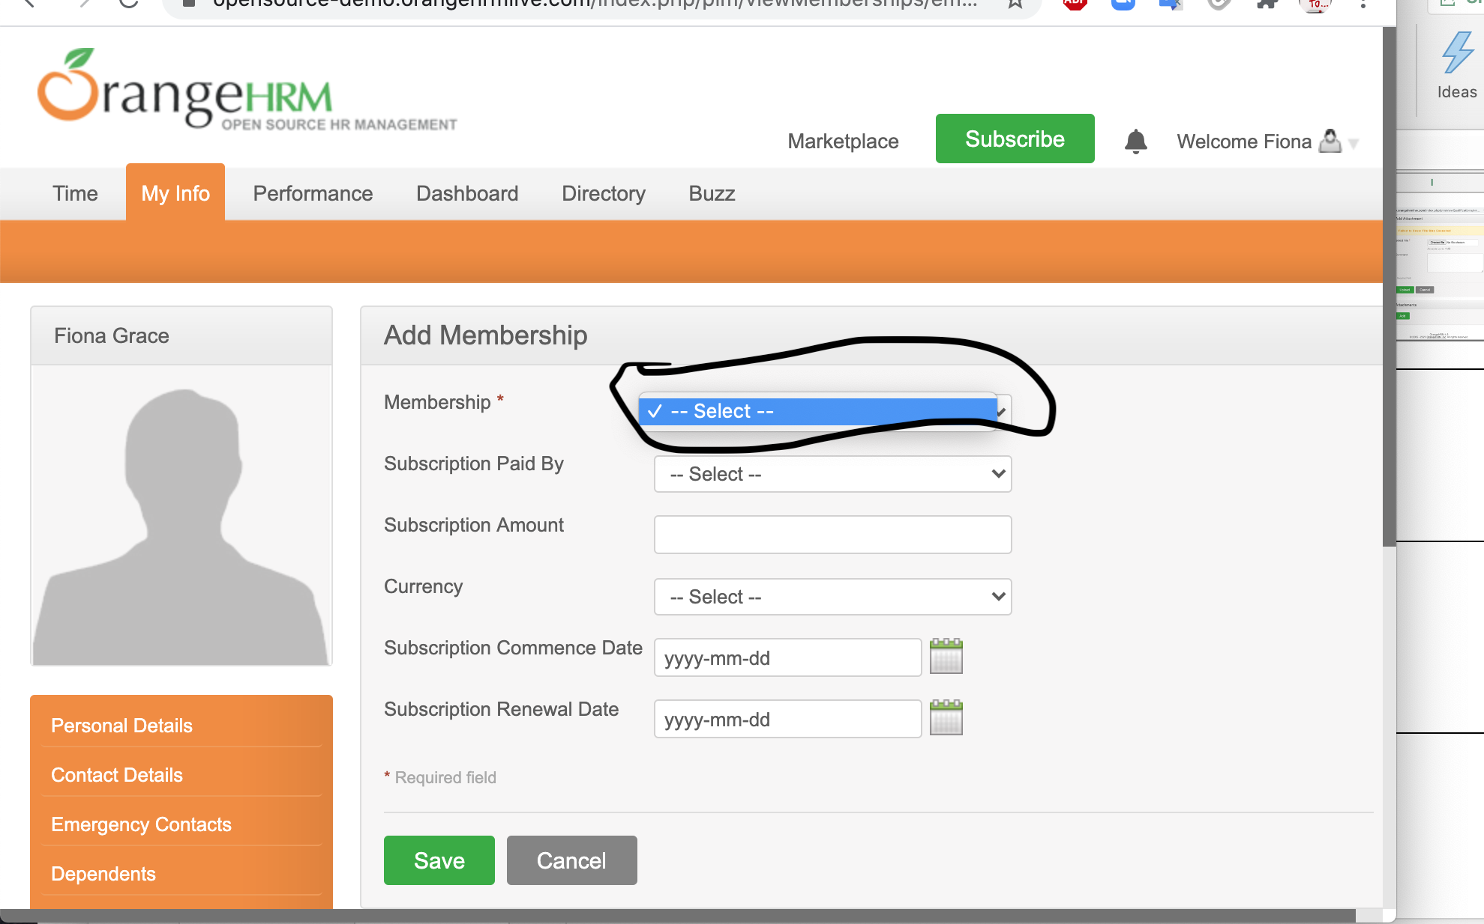 | Bijaya
BR_MyInfo_018 | 1) "Membership"cannot be empty. The system provides a empty list of membership so user could not choose any of it and submit the form. | "1) Login to OrangeHRM as ESS User. 2) Click on myinfo tab. 3) Select ""Membership"". 4) Click on ""Add"" button of ""Assigned Membership"" table. 5) Fill the field and click the ""Save"" button after the completion of the form" | P2 | Medium | 1 | TC_MyInfo_050 | 27th Aug, 2020 |  | Bijaya
BR_MyInfo_019 | 1) Operation are functionally dependent with TC_MyInfo_047 and TC_MyInfo_048. Since, those two test cases were failed. TC_MyInfo_049 also fails. | 1) Login to OrangeHRM as ESS User. 2) Click on myinfo tab. 3) Click on "Membeship". 4) Click on the check box next to the particular entry in "Assigned Membership" table. 5) Click "Delete". 6) Multiple selections can be deleted simultaneously. | P2 | Medium | 1 | TC_MyInfo_051 | 27th Aug, 2020 | 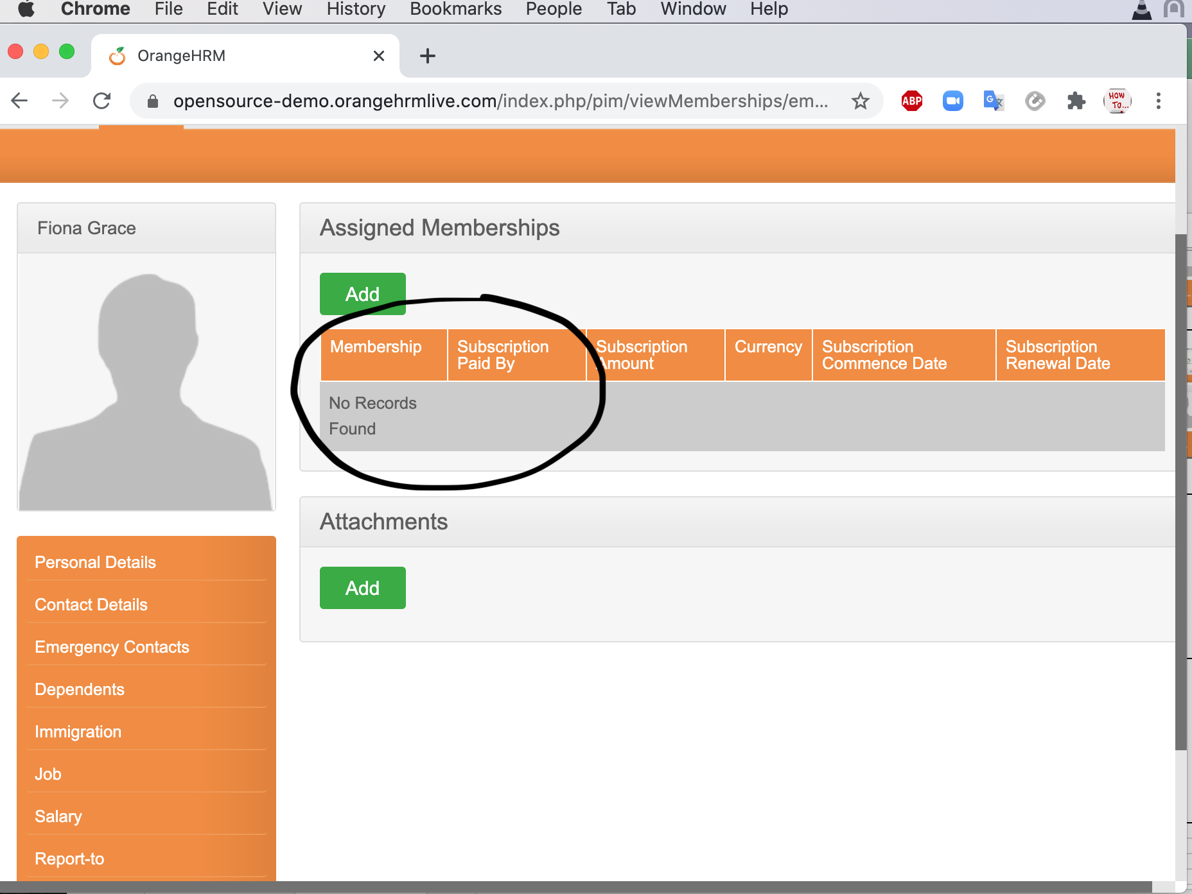 | Bijaya
BR_MyInfo_020 | 1) Document explains the attachment of any file formats but does not clarify the size limit of the file. 2) There is a note in the system under "Choose File" button which clarifies that file upto 1 MB size are only uploadable. File under 1 MB are uploadable, but file such as (pdf, docx) of exactly 1 MB are not uploadable. | 1)Login to OrangeHRM as ESS User. 2) Click on myinfo tab. 3) Click on "Memberships". 4) Click on "Add" button under attachment. 5) Click “Browse” and select the file from the relevant path and click “Upload” to upload it. | P2 | Medium | 1 | TC_MyInfo_052 | 27th Aug, 2020 | 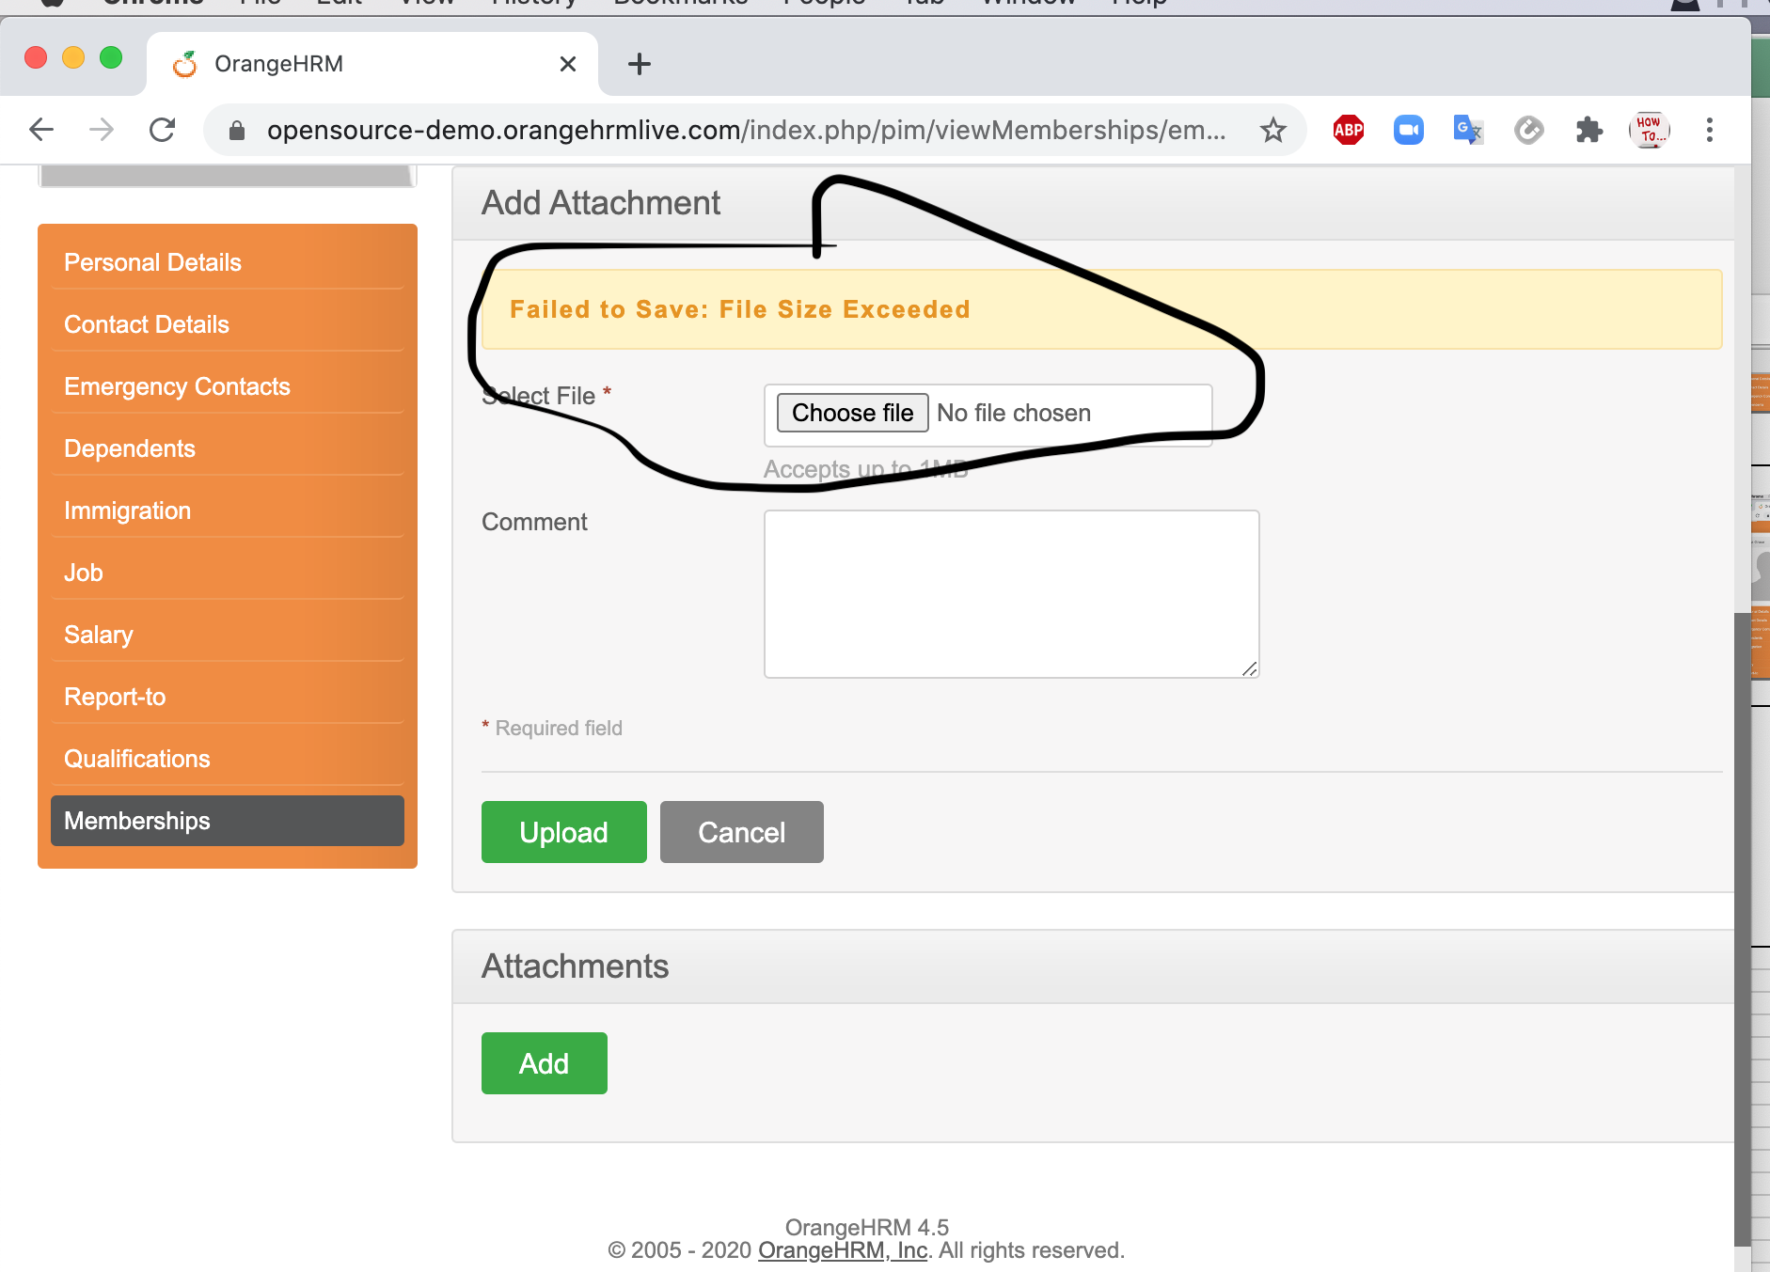 | Bijaya

